Handling Hardcoding
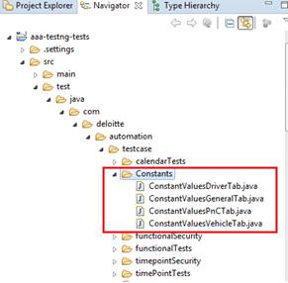
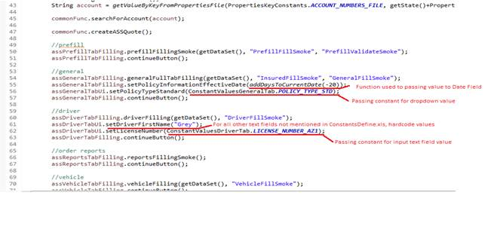
1 | The hard coding of data is permitted provided the data is present in an existing name space but is not meeting your test case requirement.
2 | We have agreed on different approach to be followed for different field types on each tabs.
2.A | Drop down values - Hard coding is permitted for the drop down values. However the actual value shouldn’t be specified in the script. Instead we should use the "Keys" available in the "Constants" files created in the following package:- \tests\java\com\deloitte\automation\testcase\constants
2.B | Radio Buttons and Checkboxes - Wil be handled directly in the code using the Click and Wait functions
2.C | Text Edit fields - A different approach will be followed for each Text field under each tab depending its functional importance. Please refer to "Hardcoding Text Fields" tab for more details.

 | Examples of how hard coding is being handled gracefully

